Test Report
Default Test Run Report

Project Name |  |  | Project 1
User Name |  |  | MTS
Test Name |  |  | MME 3407_S20 50mm Gage Length ASTM E8 Metals Tension (Extensometer-Crosshead) 16
Test Run Name |  |  | Test Run 1
Test Run Date |  |  | 9/24/2020 2:48:08 PM

Test Run Review Graph
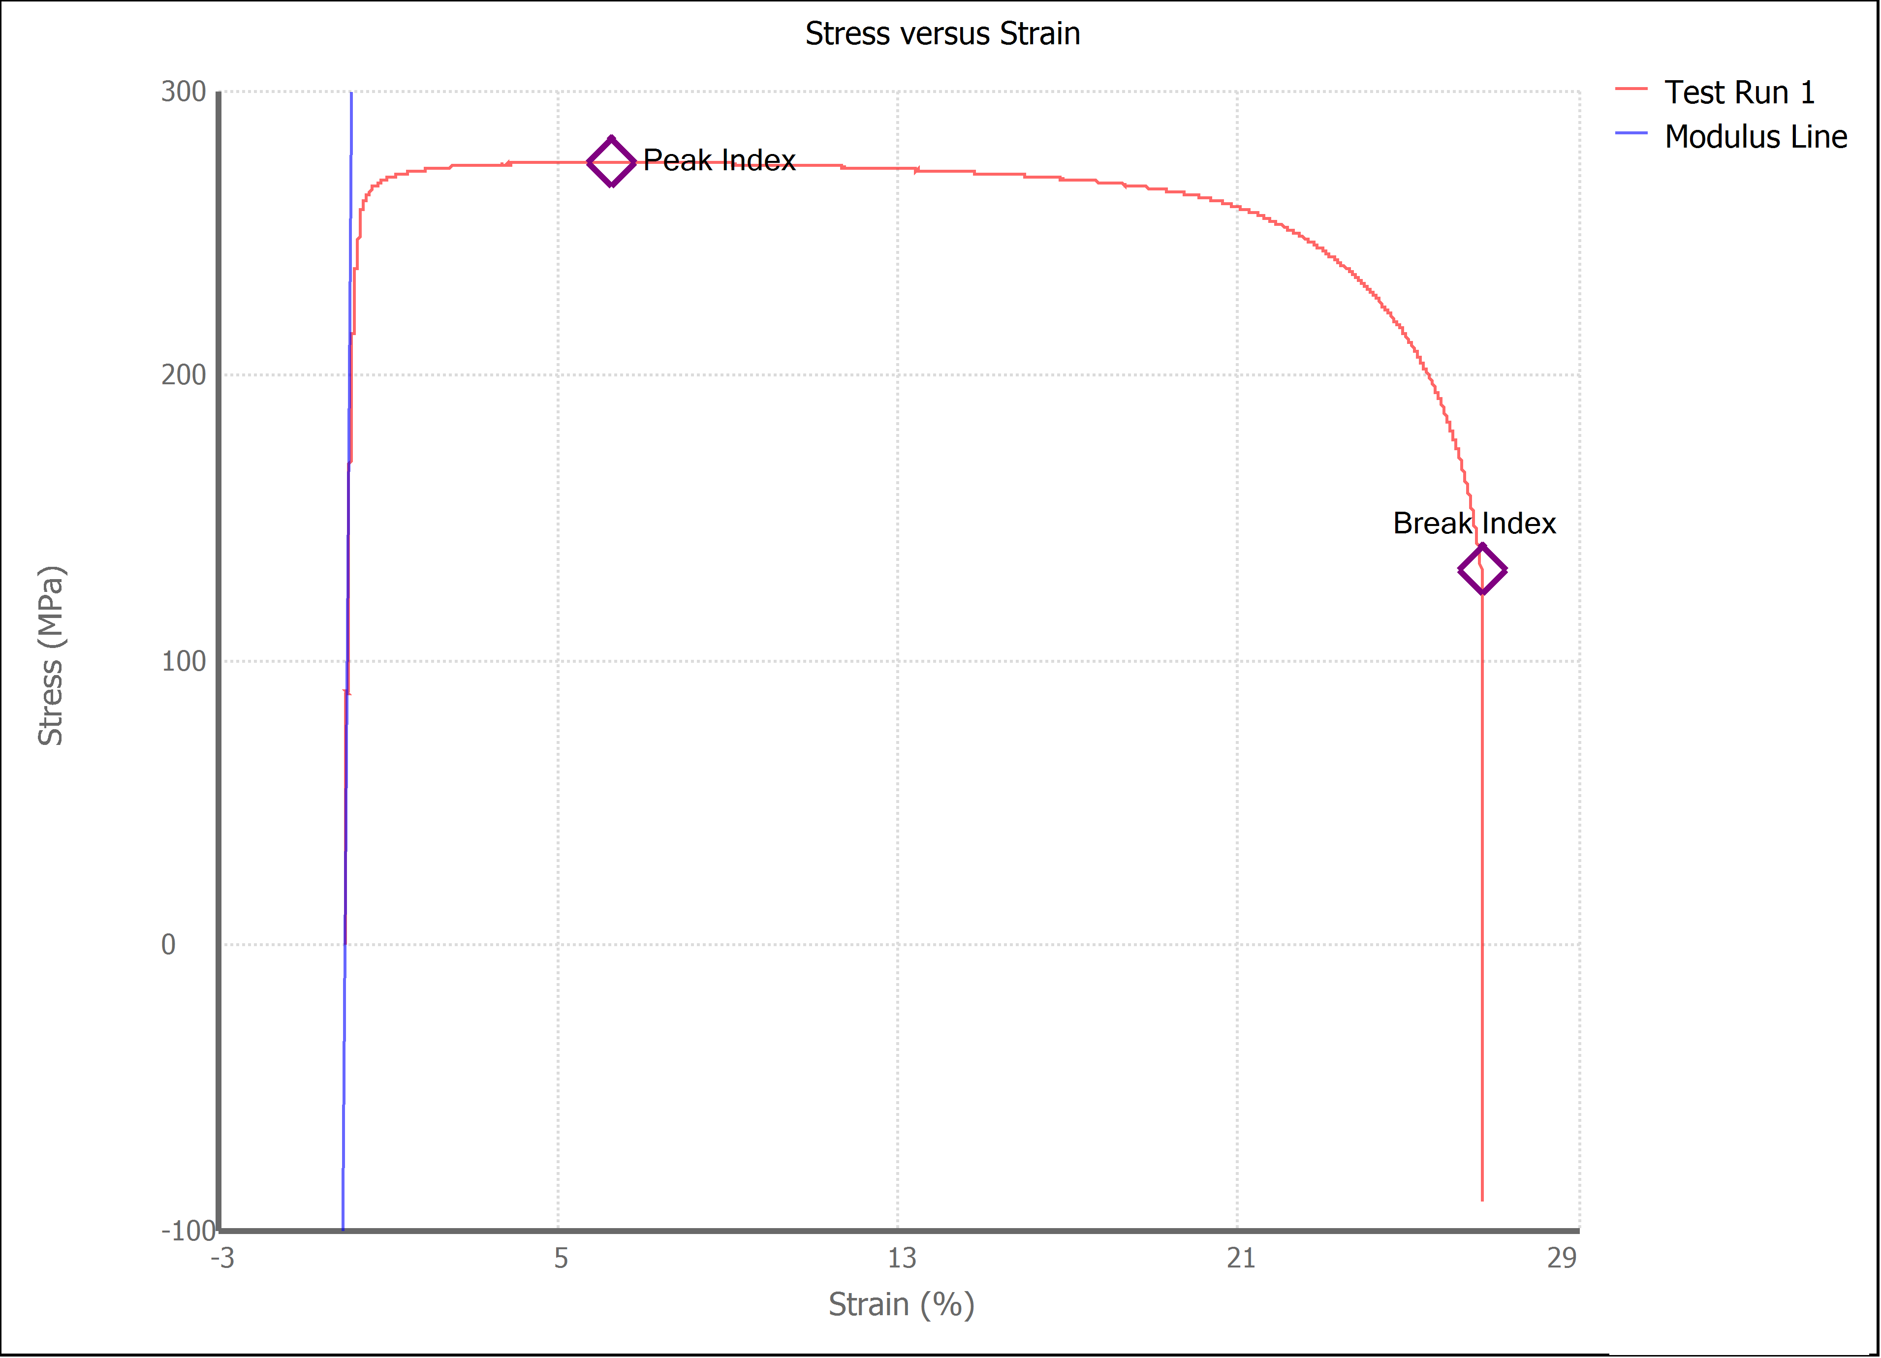

Test Run Results:
Display Name | Value | Unit
Test Run End Reason | Break Detected
Width | 13.520 | mm
Thickness | 3.140 | mm
Final Width | 9.790 | mm
Final Thickness | 2.300 | mm
Test ID | Daniela 1018 Steel
Initial Marked Gage Length | 50.000 | mm
Maximum Force | 2621.256 | lbf
Maximum Stress | 274.7 | MPa
Elongation at Fracture | 26.719 | %
Elongation after Break | 30.980 | %
Upper Yield strength | 271.049 | MPa
Modulus of Elasticity | 166033.117 | MPa
Yield Strength (Offset = 0.2%) | 250.320 | MPa
Yield Strength (EUL = 0.5%) | 262.050 | MPa
Removal Point | 1.250 | mm
Ultimate Tensile Strength | 274.656 | MPa
Reduction of Area | 46.9599 | %
Lower Yield Strength | #NUM! | MPa
Final Marked Gage Length | 65.490 | mm

